Main Project
Top 10 billionare wealth
 | Total
Elon Musk | 839
Larry Page | 257
Sergey Brin | 237
Jeff Bezos | 224
Mark Zuckerberg | 222
Larry Ellison | 190
Bernard Arnault & family | 171
Jensen Huang | 154
Warren Buffett | 149
Amancio Ortega | 148
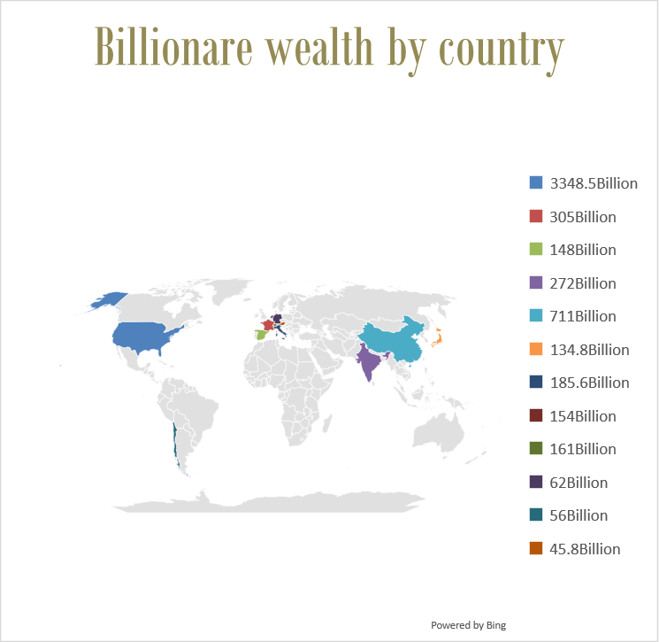
Rank | Name | Country | Networth | Age | Source of wealth
11 | Steve Ballmer | United States | $146 billion | 68 | Microsoft

Total Billionares
3,428
Total bilionare data presented: 48
Total global wealth
4%

